Sheet1


Model | Picture | Diameter mm | hole size mm | Quantity | Grade A USD | Grade B2 USD | Grade B USD | Grade C USD | Approximate weight with Pakaging (gr)
SW-504 | 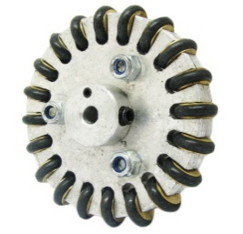 | 50 | 4 | 10 pcs | 35.0 | 28.0 | 19.6 | 12.7 | 600
 |  |  |  | 20 Pcs | 30.6 | 24.5 | 17.2 | 11.1 | 800
 |  |  |  | 50 Pcs | 26.3 | 21.0 | 14.7 | 9.6 | 1000

 | Each grade feature is:
 | -Grade A: body is made by CNC machine , with round small wheels of steel.
 | - Grade B2: body is made by CNC machine , with round small wheels of brass
 | -Grade B: body is made by non-CNC machine , with round small wheels of steel
 | -Grade C: body is made by non-CNC machine , with round small wheels of Brass

